MaxInstallCapacityRaw
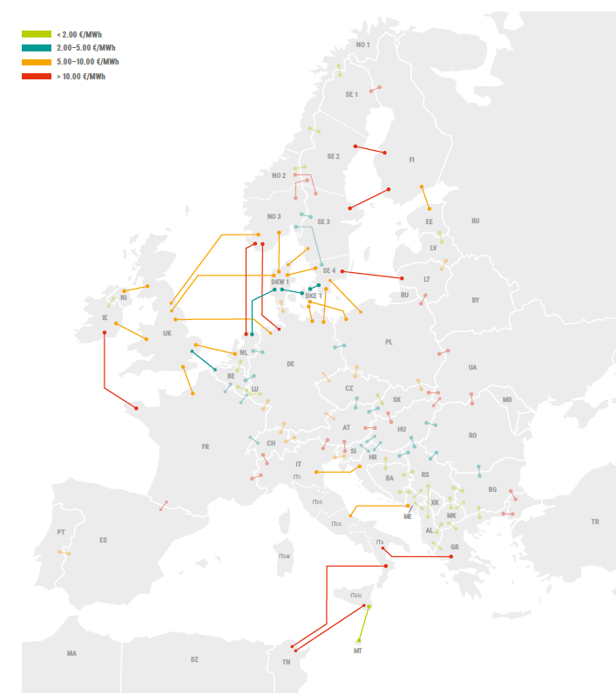
Source: ENTSO-E || DATA SOURCES: Capacities and expansion capacities from ENTSO-E Project Sheet 2018 and ENTSO-E Report "Completing the map" (2020); Initial capacities from TIMES (Norway), Data Portal ENTSOE; TSOs particular countries
Description: Maximum allowed capacity of transmission between nodes in given investment period (default: 0)
InterconnectorLinks | ToNode | Period | MaxRawNotAdjustWithInitCap in MW | Baseline data (from ENTSO-E max values) | Assumption | Baseline + Assumption | Commentaries | source
Denmark | Germany | 1 | 2765 | 2765 | 1 | 2765
Denmark | Germany | 2 | 4765 | 4765 | 1 | 4765 | 2000MW 2025, corresponding to projects under construction and expected to become effective by 2025
Denmark | Germany | 3 | 4765 | 4765 | 1 | 4765
Denmark | Germany | 4 | 4765 | 4765 | 1 | 4765
Denmark | Germany | 5 | 4765 | 4765 | 1 | 4765
Denmark | Germany | 6 | 4765 | 4765 | 1 | 4765
Denmark | Germany | 7 | 4765 | 4765 | 1 | 4765
Denmark | Germany | 8 | 4765 | 4765 | 1 | 4765
France | Germany | 1 | 2300 | 2300 | 1 | 2300
France | Germany | 2 | 2300 | 2300 | 1 | 2300
France | Germany | 3 | 4100 | 4100 | 1 | 4100 | 1800MW 2030, additional capacity 2025
France | Germany | 4 | 4100 | 4100 | 1 | 4100
France | Germany | 5 | 4100 | 4100 | 1 | 4100
France | Germany | 6 | 4100 | 4100 | 1 | 4100
France | Germany | 7 | 4100 | 4100 | 1 | 4100
France | Germany | 8 | 4100 | 4100 | 1 | 4100

